Лист1
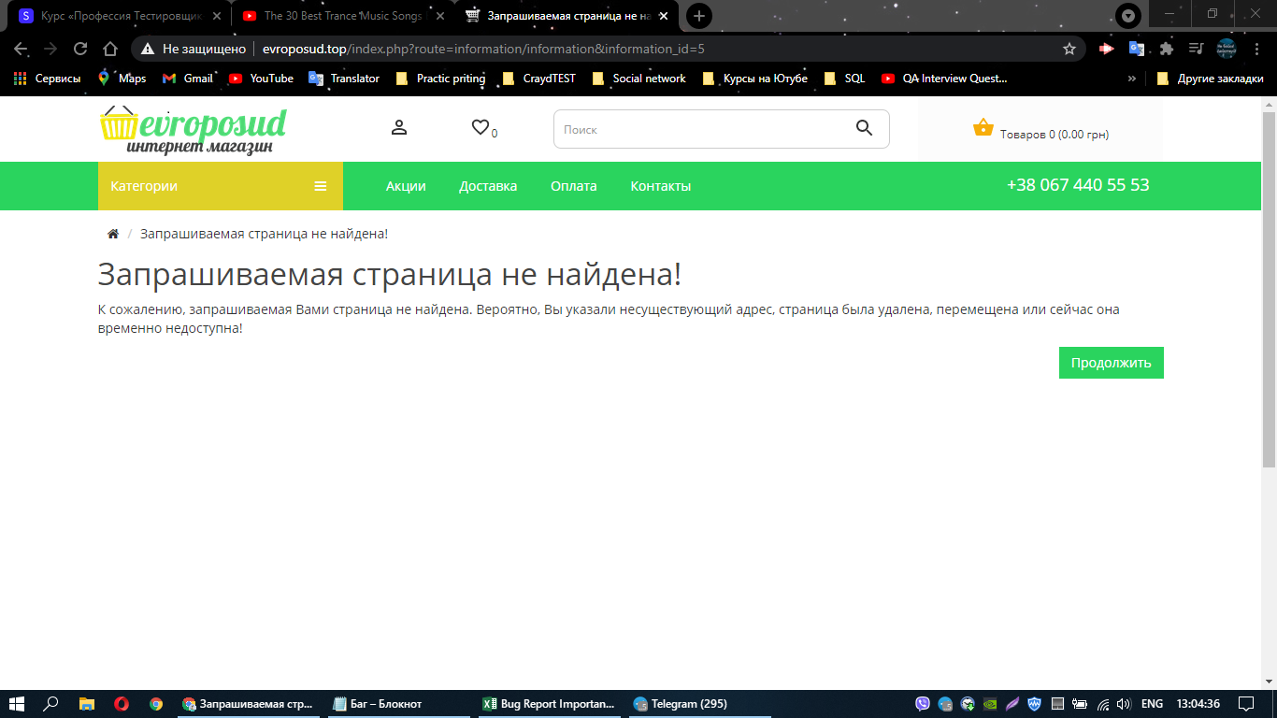
Module name: | The site does not have a page "Security Policy".
 |  |  |  |  | Attachment
ID | 0.01 |  | Designed by: | Lutsenko D
Severity: |  |  | Designed date:
Priopity: |  |  | Environment: | Windows 10 Chrome
Discription:

Pre-conditions:
Data for testing:

 | Step | Text Date | Expected Result | Actual Result
1 | Open the website http://evroposud.top
2 | Go to the "Registration" page.
3 | Fill in all fields except the Security Policy.
4 | Press the "Security Policies" button. For reading and agreement. |  | A page with textual content about the security policy is opened. | The requested page was not found.

